LDAP
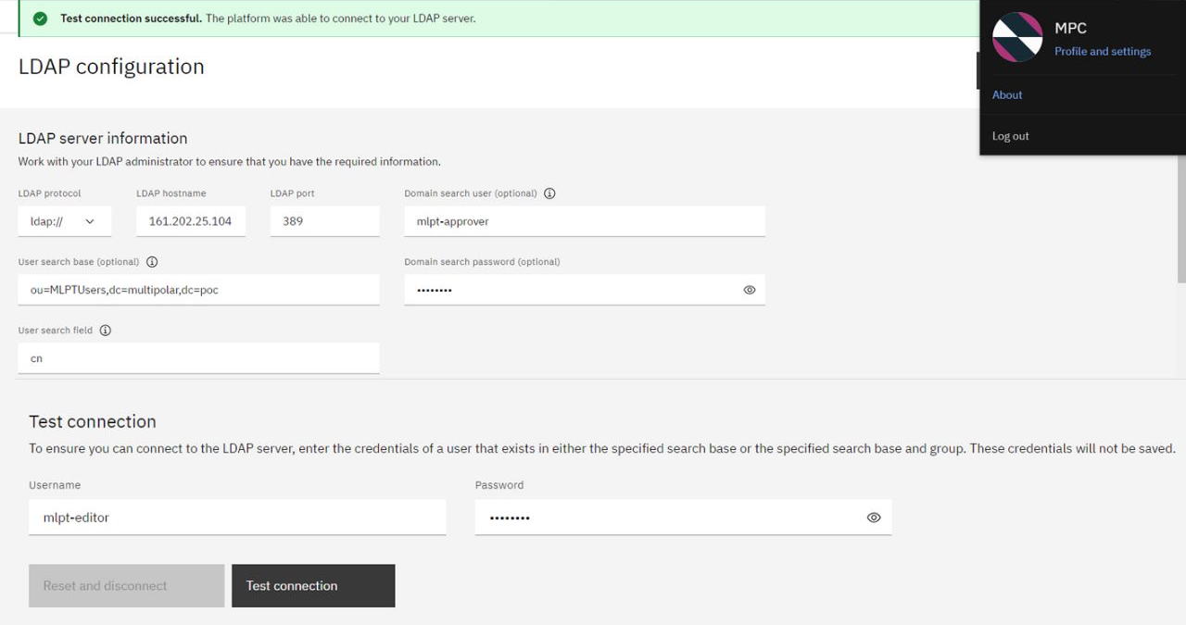
Field | Description | Information provided by Abishek (Just to confirm)
LDAP URL | ladps://tst.uobnet.com:636
LDAP Protocol | If you are connecting to a secure port on your LDAP server, select ldaps://. If you are connecting to an unsecured port on your LDAP server, select ldap://. | have to use secure port ldaps
LDAP Hostname | Enter the host name of the LDAP server. | tst.uobnet.com
LDAP Port | Enter the port that you are connecting to. Standard ports are 389 for ldap and 636 for ldaps. | 636
User search field | Enter the LDAP attribute that is used to identify users. For example, cn, uid, or sAMAccountName. If you plan to use LDAP and a SAML identity provider, ensure that you use the same attribute to identify users. This field should have the same value as the fieldToAuthenticate parameter in your SSO configuration | usually samaccountname
User search base | Enter the point in the LDAP tree from which users are searched. This is also referred to as the baseDN for the LDAP configuration. | DC=TST, DC=UOBNET, DC=COM
User search field | Enter the LDAP attribute that is used to identify users. For example, cn, uid, or sAMAccountName. If you plan to use LDAP and a SAML identity provider, ensure that you use the same attribute to identify users. This field should have the same value as the fieldToAuthenticate parameter in your SSO configuration. | usually samaccountname
Domain Search User | If your LDAP server requires authentication to perform lookups, enter the username of a user that can perform lookups on the LDAP server. This is also referred to as the bindDN for the LDAP configuration. | Please apply the ID from GIS
Domain Search Password | If you specified a Domain search user, specify the password for this user.

To add LDAP groups to user groups

User Search Field |  | If need group also need to apply from GIS
Group Search Base | Enter the point in the LDAP tree from which groups are searched.
Group search Field | Enter the LDAP attribute that is used to identify groups. For example, cn.

To use the LDAP server to manage access to the platform, provide the LDAP attributes that map to the following values:

First name | Enter the LDAP attribute that is used to identify a user's given name. For example, givenName. | standard AD user attribute
Last name | Enter the LDAP attribute that is used to identify a user's surname. For example, sn.
Email | Enter the LDAP attribute that is used to identify a user's email address. For example, mail
Group Membership | If you selected Use LDAP group, enter the LDAP attribute that is used to identify all of the LDAP groups that a user is a member of. For example memberOf.
Group member field | If you selected Use LDAP group, enter the LDAP attribute that is used to identify all of the members of a given group. For example member. If you use Microsoft Active Directory and you want to enable the nested groups search, add the following extension ID to the LDAP attribute: :1.2.840.113556.1.4.1941: For example: memberOf:1.2.840.113556.1.4.1941:

** For reference only - sample connection to the platform***

